Cover Page
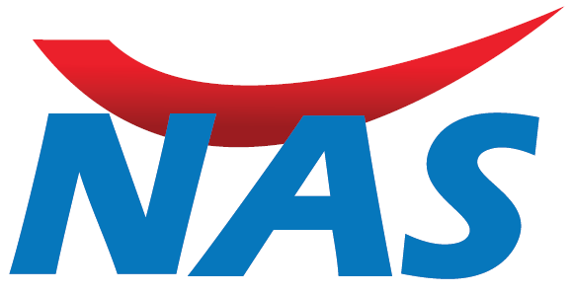

POLICY BENEFICIARIES LIST

SERVICE PROVIDER - NAS ADMINISTRATION SERVICES

PAYER - FIDELITY FIDELITY UNITED

PRODUCT LINE - MAIN ACCOUNT

STATUS - ACTIVE

MASTER CONTRACT - 2020 - GULF MARKETING GROUP - UAE

DATA AS AT - 01 Mar 2021 11 58 AM

